Instructions
Instructions
Version 2.4 | 2023-05-08

Start on the 'Cable Calculator' tab

Enter appropriate values under each column header

 |  |  | 1. If this will be a FlexNAP cable, select "Y". If this will be a regular fiber cable, select "N".
 |  |  | 2. If the CO end will be a "tether" splice made by Corning, select "Y". If this will be a "BAU" splice made in the field, select "N".
 |  |  | 3. If the field end of this FlexNap cable will be spliced to another cable (or a loop left on the very end), select "Y".
 |  |  | 4. Select the type of FlexNap cable, regardless of actual environment being placed.

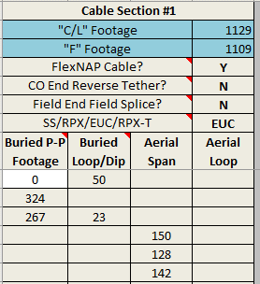

 |  |  | If there is an FST at the same PAM as the initial 50' "take off" loop, the first Linear Measurement should start at 0' to keep the loop separate from the P-P measurement. When there are more than 2 tethers at any one PAM in the buried environment, enter 0' Linear Measurement with the 20' separation loop in the Loops column. When transitioning from aerial to buried, enter dip up/down pole in the loop column and add to any other loops in that "span".

Use the 'Assignment Tool' tab to help assign fiber strands and calculate tethers

 |  | For more detailed instructions on the Tether Assignment Tool (TAT) click here

Enter required data in the ORANGE cells

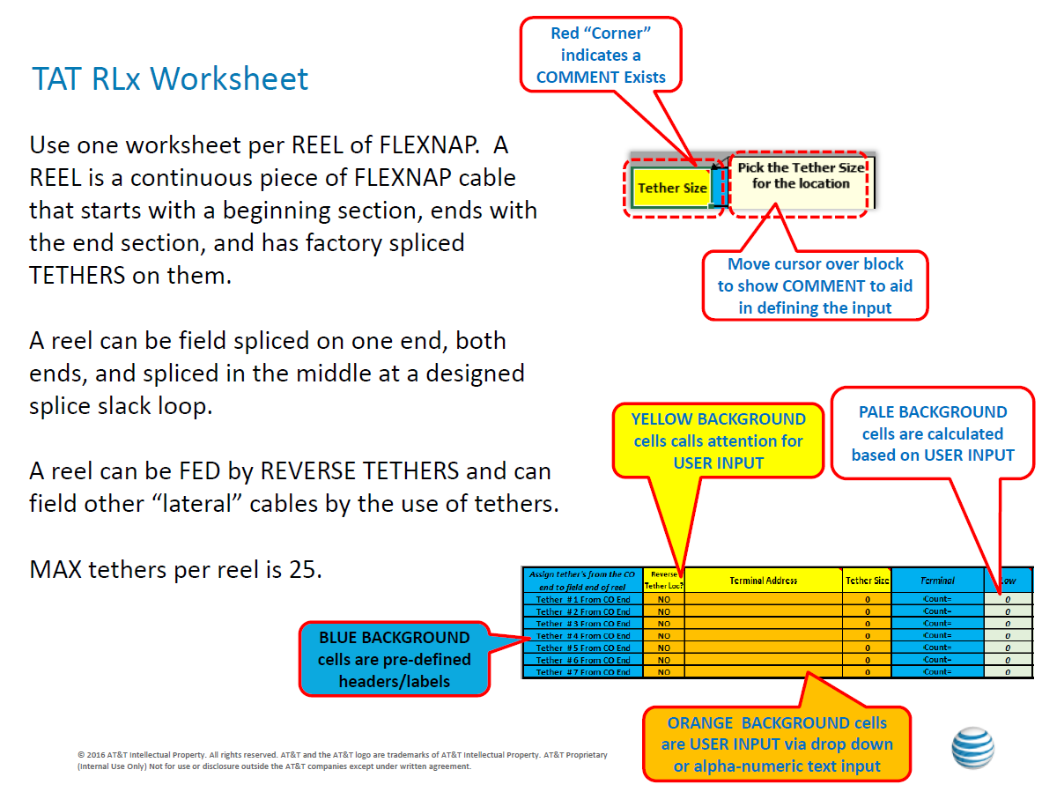

Go to the '8645C Innerduct' tab

Enter appropriate values under each column header

Input the resulting dollar amounts on the 'OSPCM Detail Added Cost' tab into the Detailed Added Cost in OSPCM

Verify the data on the 'Constuction Exempt Material' tab

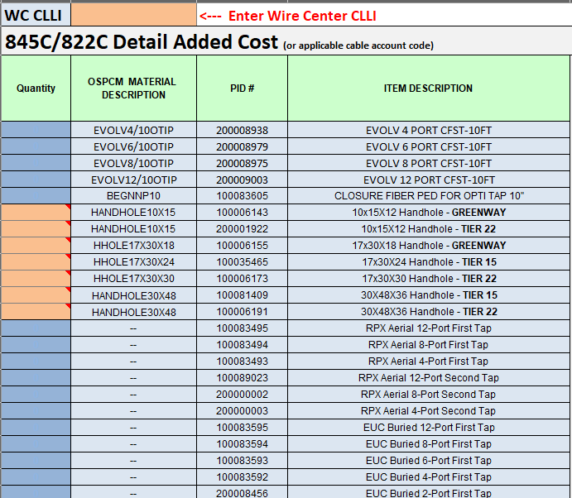

Save this sheet with the 'Construction Exempt Material' tab active and import into the MIC Binder

